FAQs
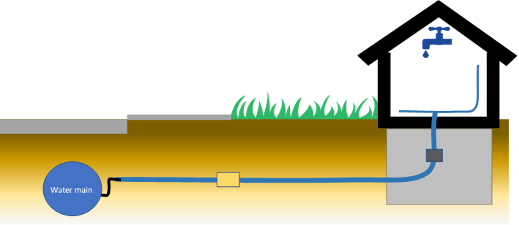
Why do Public Water Systems (PWSs) need to provide this information?
Under Section §141.84 of the Lead and Copper Rule Revision (LCRR), all community Public Water Systems (PWS) “must develop an inventory to identify the materials of service lines connected to the public water distribution system. The inventory must include all service lines connected to the public water distribution system regardless of ownership status.”
What specifically does the LCRR materials inventory require (columns D, E and H)?
Subparagraph §141.84 (a) (4) of the LCRR states that “each service line, or portion of the service line where ownership is split, must be categorized” as belonging to one of the following groups: lead; non-lead; lead status unknown; or galvanized requiring replacement. The information provided in columns D, E and H of the materials spreadsheet will enable the department to correctly assign every service line or portion thereof to one of these four categories.
What is the Site ID (column A)? Is this required?
The PWS can use this column to identify the site ID of lead and copper monitoring sites. For all other locations, the site ID is optional. PWSs that do not wish to report site addresses to the department in column B may want to use this column to “link” their materials inventory table to a separate service address table for their own use.
What is a locational identifier (column B)?
Sub-subparagraph §141.84 (a)(8)(i) of the LCRR requires a location identifier associated with each service line. The locational identifier can be the site address, or it can be a block, intersection or landmark.
The LCRR defines some categories of materials, such as ‘lead status’ and ‘galvanized downstream of lead’ differently in different sections of the rule. Thus, the spreadsheet is intended to be a simple and easy way for municipal PWSs to collect and report the information required now and in the future. The DNR will use the materials inventory data collected by the water system to categorize each of their service connections appropriately under each section of the LCRR.
Gooseneck, pigtail or lead connector present? (Column C)
Building Type (Column K)
Point-of-Use or Point-of-Entry Treatment Present? (Column L)
Building plumbing materials and plumbing install date (Columns M, N and O)
Property side service line material (Column H)
Property side service line size (Column I)
Property side service line install date (Column J)
Current street side service line material (Column D)
Was street side service line ever previously lead? (Column E)
Street side service line size (Column F)
Street side service line install date (Column G)
Materials Inventory Template For Drinking Water Systems Under The Lead And Copper Rule Revisions
Why do PWSs need to indicate whether a gooseneck is present (column C)?
Paragraph §141.86 (a) of the LCRR directs every public water system to “identify a pool of targeted sampling sites based on the service line inventory.” However, the materials information needed to categorize service lines in accordance with §141.84 alone is insufficient to identify these targeted sampling sites. Specifically, as per LCRR sub-paragraph §141.86 (a) (5), Tier 3 sampling sites include both single-family structures served by galvanized lines located downstream of a lead service line (i.e. confirmed galvanized requiring replacement) or downstream of a lead gooseneck, pigtail or connector.
Why do PWSs need to indicate whether a service line that is not currently lead was ever previously lead (column E)?
The materials history of the upstream utility service line is needed to correctly categorize customer-side galvanized service lines as either non-lead or galvanized requiring replacement under the LCRR. Sub-subparagraph §141.84 (a)(4)(ii) of the LCRR requires that public water systems identify locations where a galvanized service line “is or was at any time downstream of a lead service line” or “lead status unknown” service line as “galvanized requiring replacement”. If a water system knows with certainty that the utility side of a service line is not now, and never has previously been lead, then the downstream customer-side galvanized service line is identified as “non-lead”. If a PWS does not know this with certainty, the material is categorized as “galvanized requiring replacement.” However, as per paragraph §141.86 (a), galvanized service lines currently or formerly downstream of a lead gooseneck, pigtail, or connector are not identified as galvanized requiring replacement.
Are PWSs required to track the interior premise plumbing materials and install date at every service location in their system (columns M, N and O)?
This information is only required for service locations that are potential compliance sampling sites. If the PWS has at least as many Tier 1, Tier 2 and/or Tier 3 sampling sites as their required number of monitoring sites, then they are not required to track this information at this time. However, the PWS will be required to collect this information in the future, once all of their lead service lines and galvanized lines requiring replacement are removed. It is recommended that PWS collect this information on an ongoing basis whenever they are inside structures, as part of their normal operations.
Are PWSs required to track whether there is a point-of-entry (POE) or point-of-use (POU) treatment device at every service location (column L)?
This information is only required for service connections that are potential monitoring sites. Sub-paragraph §141.86 (1) of the LCRR states that “Sampling sites may not include sites with installed point-of-entry (POE) treatment devices and taps used at sampling sites may not have point-of-use (POU) devices designed to remove inorganic contaminants…” However, the department recommends that PWSs collect this information concurrently with premise plumbing materials at a given residence, so that PWSs don”t need to revisit residences that become potential monitoring sites once their lead and galvanized lines are removed.
Are PWSs required to use the DNR template?
No, PWSs are not required to use the DNR template for their materials inventory. However, PWSs that track their drinking water distribution system materials using a different method should provide all of the information requested in the template.
Do Municipal PWSs have to report this information to the DNR and PSC both?
Due to differences in the frequency and timing of reporting and the type of information reported, municipal public water systems will continue to report service line information annually to the Public Service Commission (W-22 and W-29) for the foreseeable future. However, the DNR and PSC are in discussions about how they can collaborate to minimize the amount of similar reporting to multiple agencies after the LCRR compliance date.
Materials Inventory Template For Drinking Water Systems Under The Lead And Copper Rule Revisions

